SALOMON BOOTS ORDER FORM
MODELS | SIZE | REFERENCES | QUANTITIES | COMMENTS

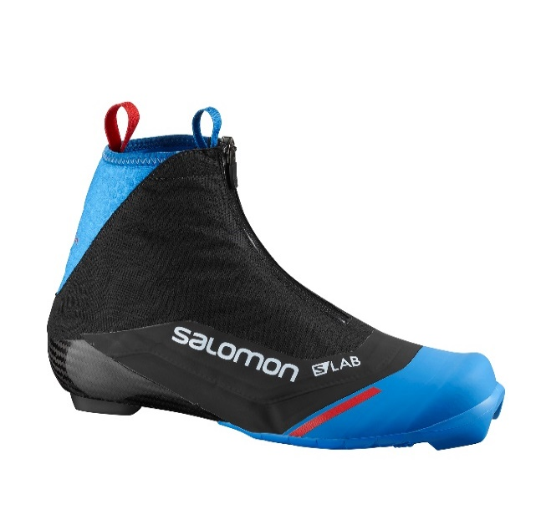
CLASSIC
S-LAB CARBON CLASSIC | 3.5 | L40842000035
S-LAB CARBON CLASSIC | 4 | L40842000040
S-LAB CARBON CLASSIC | 4.5 | L40842000045
S-LAB CARBON CLASSIC | 5 | L40842000050
S-LAB CARBON CLASSIC | 5.5 | L40842000055
S-LAB CARBON CLASSIC | 6 | L40842000060
S-LAB CARBON CLASSIC | 6 | L40842000065
S-LAB CARBON CLASSIC | 7 | L40842000070
S-LAB CARBON CLASSIC | 7.5 | L40842000075
S-LAB CARBON CLASSIC | 8 | L40842000080
S-LAB CARBON CLASSIC | 8.5 | L40842000085
S-LAB CARBON CLASSIC | 9 | L40842000090
S-LAB CARBON CLASSIC | 9.5 | L40842000095
S-LAB CARBON CLASSIC | 10 | L40842000100
S-LAB CARBON CLASSIC | 10.5 | L40842000115
S-LAB CARBON CLASSIC | 11 | L40842000150
S-LAB CARBON CLASSIC | 11.5 | L40842000155
S-LAB CARBON CLASSIC | 12 | L40842000120
S-LAB CARBON CLASSIC | 12.5 | L40842000125
S-LAB CARBON CLASSIC | 13 | L40842000130
TOTAL CLASSIC |  |  | 0

SKATE
S-LAB CARBON SKATE | 4.5 | L39931400045
S-LAB CARBON SKATE | 5 | L39931400050
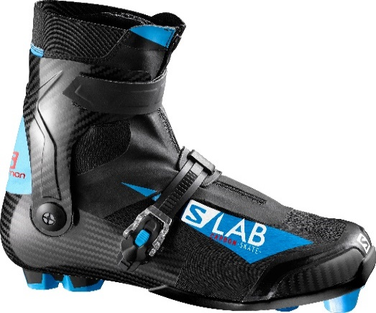
S-LAB CARBON SKATE | 5.5 | L39931400055
S-LAB CARBON SKATE | 6 | L39931400060
S-LAB CARBON SKATE | 6 | L39931400065
S-LAB CARBON SKATE | 7 | L39931400070
S-LAB CARBON SKATE | 7.5 | L39931400075
S-LAB CARBON SKATE | 8 | L39931400080
S-LAB CARBON SKATE | 8.5 | L39931400085
S-LAB CARBON SKATE | 9 | L39931400090
S-LAB CARBON SKATE | 9.5 | L39931400095
S-LAB CARBON SKATE | 10 | L39931400100
S-LAB CARBON SKATE | 10.5 | L39931400105
S-LAB CARBON SKATE | 11 | L39931400110
S-LAB CARBON SKATE | 11.5 | L39931400115
S-LAB CARBON SKATE | 12 | L39931400120
TOTAL CLASSIC |  |  | 0

PURSUIT
S-LAB CARBON PURSUIT | 4.5 | L39931300045
S-LAB CARBON PURSUIT | 5 | L39931300050
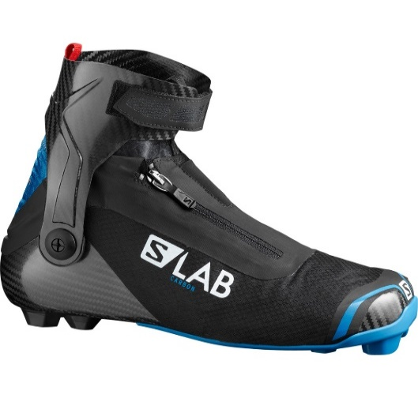
S-LAB CARBON PURSUIT | 5.5 | L39931300055
S-LAB CARBON PURSUIT | 6 | L39931300060
S-LAB CARBON PURSUIT | 6 | L39931300065
S-LAB CARBON PURSUIT | 7 | L39931300070
S-LAB CARBON PURSUIT | 7.5 | L39931300075
S-LAB CARBON PURSUIT | 8 | L39931300080
S-LAB CARBON PURSUIT | 8.5 | L39931300085
S-LAB CARBON PURSUIT | 9 | L39931300090
S-LAB CARBON PURSUIT | 9.5 | L39931300095
S-LAB CARBON PURSUIT | 10 | L39931300100
S-LAB CARBON PURSUIT | 10.5 | L39931300105
S-LAB CARBON PURSUIT | 11 | L39931300110
S-LAB CARBON PURSUIT | 11.5 | L39931300115
S-LAB CARBON PURSUIT | 12 | L39931300120
TOTAL CLASSIC |  |  | 0

SALOMON POLES ORDER FORM
MODELS | SIZE | REFERENCES | QUANTITIES | COMMENTS

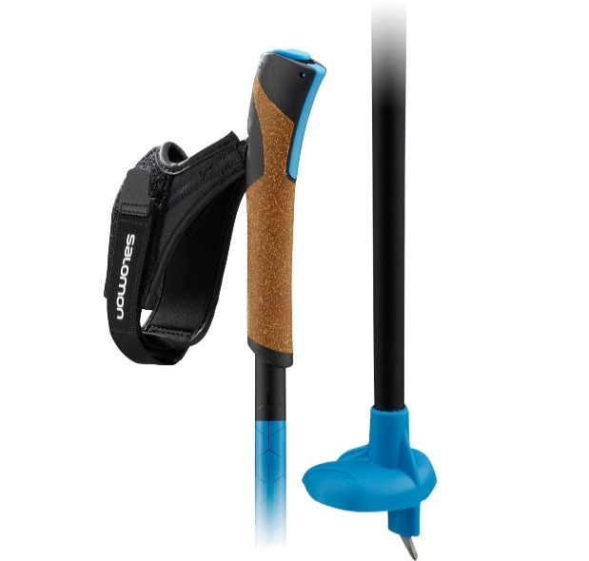
S-LAB CARBON CLICK | 135 | L40874800
S-LAB CARBON CLICK | 1375 | L40874800
S-LAB CARBON CLICK | 140 | L40874800
S-LAB CARBON CLICK | 1425 | L40874800
S-LAB CARBON CLICK | 145 | L40874800
S-LAB CARBON CLICK | 1475 | L40874800
S-LAB CARBON CLICK | 150 | L40874800
S-LAB CARBON CLICK | 1525 | L40874800
S-LAB CARBON CLICK | 155 | L40874800
S-LAB CARBON CLICK | 1575 | L40874800
S-LAB CARBON CLICK | 160 | L40874800
S-LAB CARBON CLICK | 1625 | L40874800
S-LAB CARBON CLICK | 165 | L40874800
S-LAB CARBON CLICK | 1675 | L40874800
S-LAB CARBON CLICK | 170 | L40874800
S-LAB CARBON CLICK | 175 | L40874800
S-LAB CARBON CLICK | 180 | L40874800
TOTAL |  |  | 0

SKATE
S-LAB CARBON CLICK KIT | 150 | L40874900
S-LAB CARBON CLICK KIT | 160 | L40874900
S-LAB CARBON CLICK KIT | 170 | L40874900
S-LAB CARBON CLICK KIT | 180 | L40874900
TOTAL |  |  | 0

